Instructions
 | INSTRUCTIONS
 |  |  |  | This form is used to process PAYMENT transfer requests; the OCFO will not transfer charges - cardholders should seek restitution from applicable vendors.
 |  | TITLE |  | DEFINITION
 | A | Requester Name/Agency |  | Self explanatory
Payment Transfer Data - where the existing INCORRECT/WRONG payment posted | B | Posting Date | TRANSACTION INFORMATION | Posting date of original transaction
 | C | Reference Number |  | The 23-digit Reference Number is located in Access Online under Transaction Management. Click on the "Trans Date", and under the "Summary" tab look for the Reference Number under "Reference Information".
 | D | $ Amount |  | Dollar amount of original transaction (full payment amount)
Where incorrect payment posted | E/F | Account ID | TRANSFER REQUEST INFORMATION | An Account ID is a unique 12-digit number assigned to each account. It is safe to share because it can not be used to expend funds. It can be located in Access Online under the Cardholder Account Profile, by viewing the account information as shown below.
Location where payment SHOULD be posted | E/F |  |  | 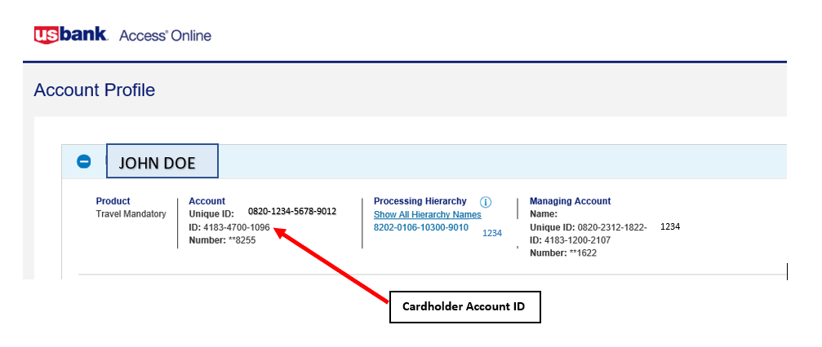
 | E1 | From Account ID |  | This is where the transaction or payment is currently posted. If you don't know where the payment posted, provide the Trace number in this cell (SEE BLOCK E2).
 | E2 | Trace Number |  | The Trace number is a confirmation number for the payment, and comes from FMMI. It assists US Bank in locating the transaction or payment. When assistance with a trace number is required, submit an automated FMS "Service Now" ticket or send an email to the FMSC Help Desk, FMSC.Help@nfc.usda.gov. Include traveler name and TANUM number, and request FMS trace the misapplied payment.
 | F | To Account ID |  | This is where you want the transaction or payment to post.
 | G | Description |  | US Bank must clearly understand what is being requested. Provide a clear explanation.
 | H | Amount |  | Provide the specific dollar amount/partial payment amount to be transferred.
 | I | Agency Remarks /Cardholder Name |  | Agency can provide any internal comments for their needs.

 |  | NOTES: |  | - Do not change: format or reformat cells (centered, date format), structure or color coding
 |  |  |  | - Do not make the dollar amounts negative
 |  |  |  | - Provide 12-digit account ID, not Unique ID number or credit card number
 |  |  |  | - Only use apostrophe (') before number when number begins with zero (0). Otherwise it is unnecessary.

